Web_Sessions-Visitors
FY 2023 EOSDIS DAACs and Earthdata Web Activity using Google Analytics
EOSDIS web activity is measured by number of sessions (visits) made, the number of pages Viewed and the number of distinct Visitors. Repeat visitors is a count of those visitors who made at least two sessions since beginning of the FY Web metrics are presented for visits of one minute or greater. Visits of at least one minute are considered to represent significant work accomplished, and many of the shorter visits are of less than a second. All twelve EOSDIS DAACs report web metrics are included in this report.

 | Sessions, Views and Visitors by data center for visits greater than or equal to 1 min.

 | DAAC | # Sessions | # Views | # Visitors | # Repeat Visitors
 | ASDC | 98,360 | 252,960 | 110,977 | 19,845
 | ASF DAAC | 587,724 | 819,719 | 297,138 | 138,873
 | CDDIS | 113,328 | 1,590,534 | 72,585 | 37,066
 | GES DISC | 286,505 | 896,224 | 172,801 | 93,948
 | GHRC DAAC | 16,681 | 73,905 | 16,447 | 6,891
 | LP DAAC | 135,606 | 436,954 | 88,722 | 38,310
 | LAADS DAAC | 176,742 | 864,500 | 89,458 | 57,136
 | NSIDC DAAC | 466,207 | 1,321,536 | 244,236 | 85,214
 | OB.DAAC | 106,572 | 516,261 | 73,391 | 42,445
 | ORNL DAAC | 68,280 | 241,781 | 54,035 | 22,083
 | PO.DAAC | 44,883 | 149,671 | 33,480 | 18,453
 | SEDAC | 130,094 | 566,565 | 99,247 | 29,690
 | Earthdata | 384,255 | 1,597,319 | 482,929 | 189,130
 | Total | 2,615,237 | 9,327,929 | 1,835,446 | 779,084
 |  |  |  |  |  | 4.4
 | System Overall* | 2,230,982 | 7,730,610 | 1,352,517 | 589,954 | 2.3 | 0.6
 |  |  |  |  |  | 1.9
 | * Represents the sum of the metrics from all 12 DAACs and excludes Earthdata.

# Sessions (2,278,930) >= 1 min.

 | Monthly

 | Month | # Sessions | # Views | # Unique Visitors
 | Oct-22 | 176,096 | 610,210 | 130,516
 | Nov-22 | 195,060 | 705,970 | 144,191
 | Dec-22 | 158,404 | 573,291 | 117,673
 | Jan-23 | 154,102 | 570,771 | 116,707
 | Feb-23 | 177,147 | 647,778 | 131,040
 | Mar-23 | 216,266 | 793,880 | 156,382
 | Apr-23 | 194,334 | 692,270 | 139,798
 | May-23 | 219,999 | 702,728 | 165,154
 | Jun-23 | 175,694 | 585,671 | 126,589
 | Jul-23 | 182,388 | 603,770 | 127,788
 | Aug-23 | 186,869 | 593,588 | 133,673
 | Sep-23 | 194,623 | 650,683 | 147,261

 | FY2023* | 2,230,982 | 7,730,610 | 1,636,772

 | * Represents the sum of the metrics from all 12 DAACs and excludes Earthdata.
 | The sum of monthly visitors could be greater than the number of unique
 | visitor for a given year since one user could be counted more than once
 | if he/she visited the same website in different month.
 | The sum of monthly Sessions could be greater than the total System Overall number of Sessions for a given year since multiple Sessions could cross over from one month to another month. As such will be treated as different Sessions.

Web Repeat Visitors
EOSDIS Web Visitors are characterized by the number of sessions they make and how frequently they return. Visitors counted in the table below are those that stayed for one minute or more. Repeat Visitors are counted from the start of the Fiscal Year. Metrics data are collected per data center and summed for an EOSDIS total.

FY2023 Web Visitors for Sessions of one minute or more
# of Sessions | 1 | 2 | 3 - 4 | 5 - 6 | 7 - 9 | 10 - 14 | 15 - 19 | 20 - 29 | 30 - 39 | 40 - 49 | 50 - 59 | >60 | Total Visitors
ASDC | 93,553 | 6,831 | 6,322 | 3,114 | 2,924 | 3,024 | 1,858 | 2,527 | 1,405 | 1,048 | 765 | 5,504 | 128,875
ASF DDAC | 232,765 | 88,654 | 90,623 | 49,766 | 44,148 | 41,707 | 24,992 | 30,539 | 18,069 | 12,511 | 9,370 | 53,341 | 696,485
CDDIS | 53,112 | 22,873 | 26,118 | 15,856 | 15,793 | 16,175 | 10,096 | 12,483 | 7,445 | 4,984 | 3,653 | 20,864 | 209,452
GES DISC | 103,912 | 41,500 | 47,872 | 29,650 | 29,371 | 30,854 | 19,009 | 22,961 | 13,392 | 8,834 | 6,044 | 30,020 | 383,419
GHRC DAAC | 10,621 | 2,772 | 2,414 | 1,191 | 1,104 | 997 | 589 | 718 | 363 | 271 | 198 | 2,154 | 23,392
LAADS DAAC | 45,366 | 22,852 | 28,430 | 18,259 | 18,900 | 20,754 | 13,922 | 17,964 | 10,850 | 7,438 | 5,397 | 26,453 | 236,585
LP DAAC | 65,372 | 21,701 | 19,497 | 9,650 | 8,353 | 8,020 | 4,649 | 5,604 | 3,170 | 1,987 | 1,355 | 9,092 | 158,450
NSIDC DAAC | 184,801 | 44,613 | 36,246 | 18,543 | 17,266 | 17,699 | 11,892 | 16,340 | 11,135 | 8,358 | 6,668 | 97,721 | 471,282
OB.DAAC | 41,838 | 18,094 | 20,587 | 12,475 | 11,627 | 11,286 | 6,896 | 8,091 | 4,941 | 3,262 | 2,520 | 17,644 | 159,261
ORNL DAAC | 39,471 | 12,504 | 10,562 | 4,857 | 3,938 | 3,128 | 1,606 | 1,616 | 926 | 624 | 400 | 4,649 | 84,281
PO.DAAC | 18,519 | 7,212 | 7,437 | 4,411 | 4,147 | 4,067 | 2,359 | 2,837 | 1,574 | 978 | 746 | 5,597 | 59,884
SEDAC | 83,163 | 20,731 | 14,528 | 5,590 | 3,848 | 2,802 | 1,290 | 1,181 | 571 | 296 | 246 | 2,091 | 136,337
Total | 972,493 | 310,337 | 310,636 | 173,362 | 161,419 | 160,513 | 99,158 | 122,861 | 73,841 | 50,591 | 37,362 | 275,130 | 2,747,703

Repeat Web Visitors by DAAC in FY2023

FY2023 Web Visitors for Sessions of one minute or more
# of Sessions | 1 | 2 | 3 - 4 | 5 - 6 | 7 - 9 | 10 - 14 | 15 - 19 | 20 - 29 | 30 - 39 | 40 - 49 | 50 - 59 | >60 | Total Visitors
System Overall * | 972,493 | 310,337 | 310,636 | 173,362 | 161,419 | 160,513 | 99,158 | 122,861 | 73,841 | 50,591 | 37,362 | 275,130 | 2,747,703
Earthdata | 331,857 | 89,943 | 72,855 | 34,016 | 27,567 | 24,240 | 13,266 | 14,777 | 7,982 | 5,341 | 3,759 | 26,553 | 652,156

Repeat users In Google Analytics, if a user has multiple sessions during the computation time period that user will be counted for all sessions grouped that are applicable to that user. So, the total number of visitors computed based on session counts do not match the corresponding total number of visitors without taking into account count of sessions.

Earthdata WebMetrics
Webmetrics for Earthdata Website only

FY2023 Repeat Web Visitors for Earthdata Website
Sessions, Views and Visitors by data center for visits greater than or equal to 1 min.
Web Service | # Sessions | # Views | # Visitors | # Repeat Visitors
Earthdata | 384,255 | 1,597,319 | 482,929 | 189,130

Monthly
Month | # Sessions | # Views | # Unique Visitors
Oct-22 | 27,052 | 120,794 | 36,620
Nov-22 | 27,982 | 122,889 | 38,750
Dec-22 | 21,868 | 93,443 | 30,135
Jan-23 | 25,168 | 105,652 | 33,354
Feb-23 | 31,871 | 135,159 | 43,909
Mar-23 | 32,638 | 142,641 | 43,444
Apr-23 | 31,547 | 133,348 | 41,835
May-23 | 35,974 | 149,312 | 50,201
Jun-23 | 35,156 | 142,802 | 51,196
Jul-23 | 38,401 | 143,970 | 54,337
Aug-23 | 40,814 | 159,096 | 60,576
Sep-23 | 35,784 | 148,213 | 46,081

FY23 | 384,255 | 1,597,319 | 530,438

FY2023 Web Visitors for Sessions of one minute or more
# of Sessions | 1 | 2 | 3 - 4 | 5 - 6 | 7 - 9 | 10 - 14 | 15 - 19 | 20 - 29 | 30 - 39 | 40 - 49 | 50 - 59 | >60 | Total Visitors
Earthdata | 331,857 | 89,943 | 72,855 | 34,016 | 27,567 | 24,240 | 13,266 | 14,777 | 7,982 | 5,341 | 3,759 | 26,553 | 652,156

No domain report as domain identiication is not available in Google Analytics
Earthdata website has gone through significant restructure and some of pages have been deleted. This reduced number of pages tag as such lower numbers.

FY2023 from Earthdata website (For sessions >= I min.)

Ranking | Country | Visitors | Percent Visitors | Sessions | Percent Sessions | Views | Percent Views
1 | United States | 103,654 | 21.2% | 94,349 | 24.6% | 804,074 | 24.7%
2 | India | 36,310 | 7.4% | 34,286 | 8.9% | 251,098 | 7.7%
3 | China | 41,890 | 8.6% | 28,373 | 7.4% | 323,319 | 9.9%
4 | Canada | 29,567 | 6.0% | 15,044 | 3.9% | 133,003 | 4.1%
5 | United Kingdom | 16,310 | 3.3% | 13,480 | 3.5% | 102,802 | 3.2%
6 | Germany | 13,076 | 2.7% | 9,789 | 2.5% | 78,686 | 2.4%
7 | France | 10,482 | 2.1% | 8,865 | 2.3% | 55,378 | 1.7%
8 | Brazil | 11,998 | 2.4% | 7,922 | 2.1% | 79,097 | 2.4%
9 | Indonesia | 9,347 | 1.9% | 7,205 | 1.9% | 57,584 | 1.8%
10 | Italy | 8,544 | 1.7% | 7,097 | 1.8% | 54,496 | 1.7%
11 | Spain | 8,307 | 1.7% | 6,565 | 1.7% | 50,123 | 1.5%
12 | Colombia | 9,748 | 2.0% | 6,408 | 1.7% | 66,178 | 2.0%
13 | Australia | 7,619 | 1.6% | 6,166 | 1.6% | 43,330 | 1.3%
14 | Chile | 9,835 | 2.0% | 5,642 | 1.5% | 44,773 | 1.4%
15 | Greece | 8,357 | 1.7% | 5,559 | 1.4% | 34,876 | 1.1%
16 | Mexico | 6,614 | 1.4% | 5,091 | 1.3% | 44,416 | 1.4%
17 | Russia | 6,548 | 1.3% | 4,789 | 1.2% | 40,596 | 1.2%
18 | Japan | 6,335 | 1.3% | 4,562 | 1.2% | 43,961 | 1.3%
19 | Türkiye | 6,316 | 1.3% | 4,411 | 1.1% | 39,698 | 1.2%
20 | Argentina | 5,565 | 1.1% | 4,398 | 1.1% | 33,613 | 1.0%

LANCE_WebMetrics
LANCE web activity is measured by number of sessions made, the number of pages viewed and the number of distinct visitors for the LANCE website. Repeat visitors is a count of those visitors who made at least two sessions since the start of the fiscal year. Web metrics are presented for sessions of one minute or greater. Sessions of at least one minute are considered to represent significant work accomplished, and many of the shorter sessions are of less than a second.

Sessions, Views and Visitors by data center for visits greater than or equal to 1 min.
Data Provider | # Sessions | # Views | # Visitors | # Repeat Visitors since start
LANCE | 2,609,749 | 3,944,764 | 1,516,462 | 284,520

FY2023 Repeat Web Visitors for LANCE
Monthly
Month | # Sessions | # Views | # Unique Visitors
Oct-22 | 49,403 | 85,162 | 31,363
Nov-22 | 37,093 | 69,762 | 25,142
Dec-22 | 36,199 | 63,092 | 23,885
Jan-23 | 34,947 | 65,207 | 24,018
Feb-23 | 300,269 | 418,040 | 154,245
Mar-23 | 56,406 | 101,466 | 38,184
Apr-23 | 49,835 | 91,699 | 32,654
May-23 | 386,191 | 554,575 | 196,591
Jun-23 | 457,089 | 647,973 | 307,547
Jul-23 | 427,908 | 668,152 | 287,130
Aug-23 | 651,841 | 989,024 | 433,260
Sep-23 | 122,568 | 190,612 | 75,102

FY2023 | 2,609,749 | 3,944,764 | 1,629,121

LANCE web visitors are characterized by the number of sessions they make and how frequently they return. Visitors counted in the table below are those that stayed for one minute or more. Repeat Visitors are counted from the start of the Fiscal Year. Please note that the sum of monthly visitors could be greater than the number of unique visitors for a given year since one user could be counted more than once in the monthly visitor count if he/she visited the LANCE websites in different months.

FY2023 Web Visitors for Sessions of one minute or more
# of Sessions | 1 | 2 | 3 - 4 | 5 - 6 | 7 - 9 | 10 - 14 | 15 - 19 | 20 - 29 | 30 - 39 | 40 - 49 | 50 - 59 | >60 | Total Visitors
LANCE | 1,243,151 | 292,560 | 280,042 | 157,679 | 151,275 | 150,324 | 91,307 | 106,278 | 60,562 | 39,573 | 28,088 | 169,954 | 2,770,793

Following table presents web activity by the top 20 Countries sorted by # of Views The data came from LANCE website profile and country information is based on the Google Analytics IP Geolocation resolution.
FY2023 from LANCE (For sessions >= I min.)

Ranking | Country | Visitors | Percent Visitors | Sessions | Percent Sessions | Views | Percent Views
1 | Canada | 433,253 | 28.40% | 907,238 | 34.76% | 2,222,814 | 32.72%
2 | United States | 401,331 | 26.31% | 511,334 | 19.59% | 1,274,450 | 18.76% |  |  |  |  |  |  | 0.8
3 | Chile | 131,067 | 8.59% | 267,507 | 10.25% | 628,161 | 9.25%
4 | Greece | 86,814 | 5.69% | 137,360 | 5.26% | 350,574 | 5.16%
5 | Germany | 61,891 | 4.06% | 81,262 | 3.11% | 196,632 | 2.89%
6 | Argentina | 18,615 | 1.22% | 57,651 | 2.21% | 153,638 | 2.26%
7 | Poland | 37,716 | 2.47% | 56,154 | 2.15% | 161,845 | 2.38%
8 | Russia | 22,024 | 1.44% | 42,129 | 1.61% | 93,841 | 1.38%
9 | Spain | 21,498 | 1.41% | 33,686 | 1.29% | 97,181 | 1.43%
10 | United Kingdom | 22,953 | 1.50% | 30,549 | 1.17% | 83,256 | 1.23%
11 | Brazil | 10,009 | 0.66% | 30,292 | 1.16% | 95,038 | 1.40%
12 | Thailand | 16,864 | 1.11% | 29,927 | 1.15% | 91,650 | 1.35%
13 | Italy | 20,969 | 1.37% | 28,511 | 1.09% | 77,653 | 1.14%
14 | France | 21,393 | 1.40% | 27,230 | 1.04% | 78,776 | 1.16%
15 | Ukraine | 11,257 | 0.74% | 26,887 | 1.03% | 64,805 | 0.95%
16 | Indonesia | 9,232 | 0.61% | 25,412 | 0.97% | 143,243 | 2.11%
17 | Türkiye | 19,579 | 1.28% | 24,954 | 0.96% | 66,120 | 0.97%
18 | Mexico | 6,418 | 0.42% | 14,570 | 0.56% | 40,581 | 0.60%
Number of sessions
19 | Austria | 11,464 | 0.75% | 14,228 | 0.55% | 37,236 | 0.55%
20 | India | 10,309 | 0.68% | 14,001 | 0.54% | 80,512 | 1.19%

Worldview_WebMetrics
Sessions represent the number of users who accessed the data download feature as opposed to total number of visitors
An event is any on-page action other than loading a page. If the target has more to do with interacting with the page or performing an on-page action,
like entering form data, starting a video or making a selection choice, then it should be defined as an event.

Graph 1: Worldview - Main, Users

Wildfires in Canada

Graph 2: Worldview - Main, Sessions

Wildfires in Canada

Graph 3: Worldview - Main, Device Type

Wildfires in Canada

Additional web metrics are available, please contact Ryan Boller (ryan.a.boller@nasa.gov)

Earthdata Systems
Earthdata Systems are some of the systems that are under EED-3 and provide metrics on the number of users registering with earthdata login and number of data collections and granules metadata provided by various data providers to the CMR. In addition earthdata search client utilization is provided by showing number of sessions and acquisitions. These metrics are provided for the FY 2022 by Louis Swentek (Lou_Swentek@raytheon.com) of EED-3.
Earthdata Login
The Earthdata Login provides a single mechanism for user registration and profile management for all EOSDIS system components (DAACs, Tools, and Services). Earthdata Login also helps the EOSDIS program better understand the usage of EOSDIS services to improve user experience through customization of tools and improvement of services. Given the utilization of Earthdata Login across EOSDIS system components, Earthdata Login metrics provide one measure of interest in NASA Earth science holdings.
This year the total number of Earthdata Login registered users increased by 22.2% over the course of FY 2023, from 1,210,755 at the beginning of October 2022 to 1,480,092 by the end of September 2023.

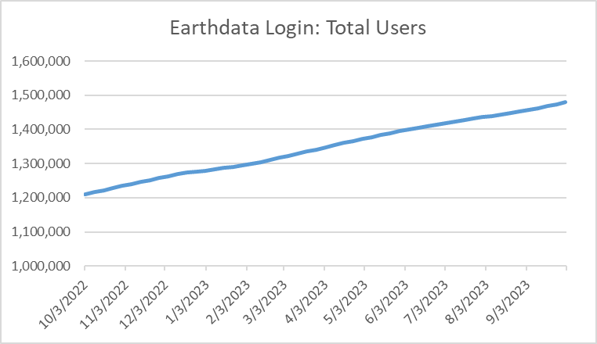
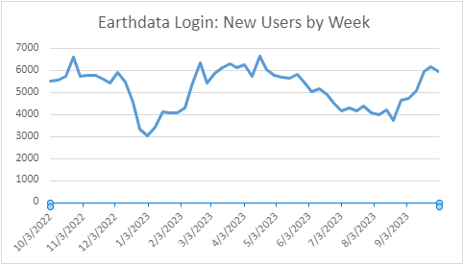

The number of new users registered weekly in Earthdata Login varied seasonally and as key events occurred throughout FY2023. The number of new registered users ranged from a low of 3043 for the week ending 1/2/23 to a high of 6659 the week ending 4/17/23, with an average of over 5186 new users per week.

Common Metadata Repository (CMR)
The Common Metadata Repository (CMR) is a high-performance, high-quality, continuously evolving metadata system that catalogs all data and service metadata records for the EOSDIS system and is the authoritative management system for all EOSDIS metadata. These metadata records are registered, modified, discovered, and accessed through programmatic interfaces leveraging standard protocols and APIs.
The number of total collections, or data set series, holdings in CMR increased by 6.41% in FY 2023, from 55,751 at the beginning of the fiscal year to 59,324 at the end of the fiscal year.

The number of EOSDIS collection holdings in CMR increased by 22.83%, from 12,573 in October 2022 to 15,444 at the end of September 2023.
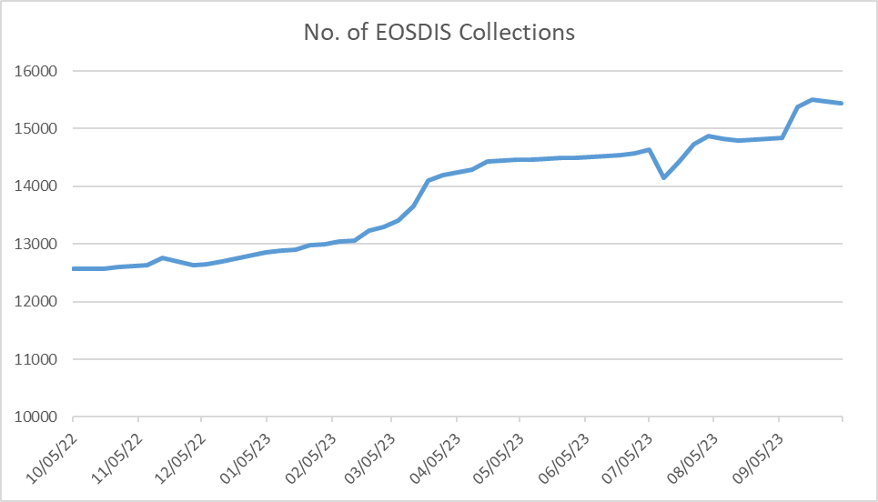
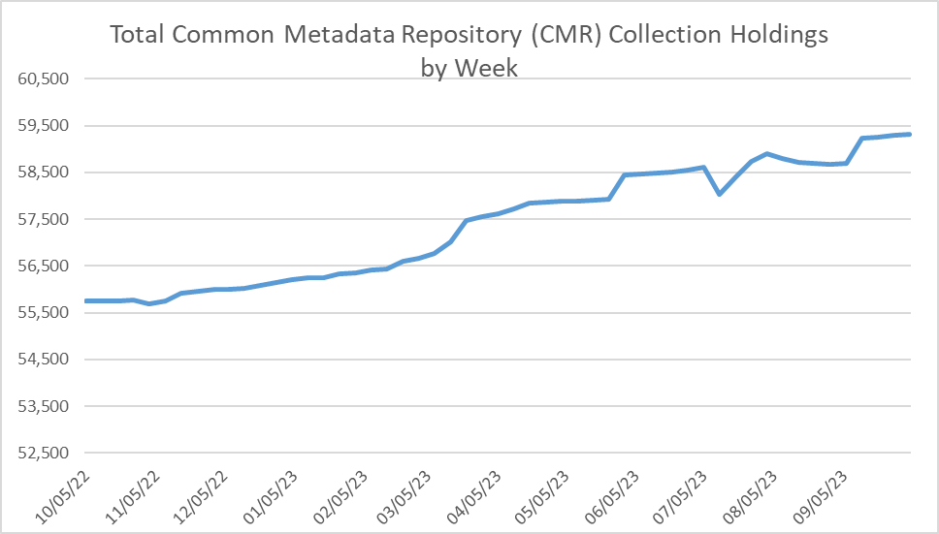

While collection metadata provides information about types of data stored in the CMR, granule metadata is the smallest aggregation of data which is independently managed (i.e., described, inventoried, retrievable). These are metadata elements that describe a single granule of a data product. Values of granule metadata apply to all of the data in that one granule. Typical metadata in this category describe spatial and temporal extent of the data as well as the quality and lineage of the data.

The number of granule holdings in CMR increased by 15.51% in FY2023, from 1.19 billion in October 2022 to 1.38 billion at the end of September 2023. The following chart provides a weekly summary of the CMR granule holdings. Granule holdings increased at a fairly steady rate between October 2022 and July 2023, with a slight dip in July and August 2023. The decrease in granules between 7/12/23 and 7/26/23 is due to the ORCA cleanup by the GHRC_DAAC provider; the decrease in granules between 7/26/23 and 8/16/23 is due primarily to the deletion of C6 MODIS granules by the LAADS provider and in part to the ORCA cleanup by the GHRC_DAAC provider. The decrease in granules between 8/16/23 and 8/30/23 is due to the deletion of C6 MODIS granules by the LAADS provider.

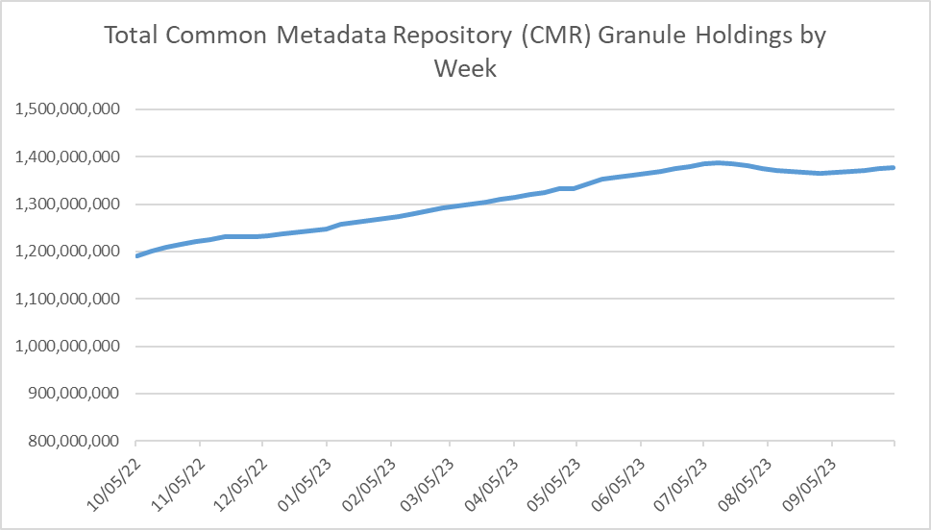

Earthdata Search Client (EDSC)

The Earthdata Search Client is the primary client for accessing NASA Earth Science data via the flagship earthdata.nasa.gov website. Utilization of the EDSC is measured in terms of the number of sessions, or visits by a user over a short period of time, to the site as well as by acquisitions, which represent the number of times data was downloaded via the EDSC. EDSC showed steady utilization throughout FY2023 with an average of 17,015 sessions each week. EDSC sessions fluctuated throughout the year, with a low of 8877 during the week ending 1/1/22, and a high of 20,626 during the week ending 9/24/23.
EDSC acquisitions likewise fluctuated throughout the year. The chart below shows the number of sessions alongside the percent of sessions with an acquisition. The percentage of acquisitions fluctuated from a high of 35% during the week ending 11/13/22, to a low of 29% during the week ending 9/24/23, with an average of 33% of sessions having an acquisiton per week.
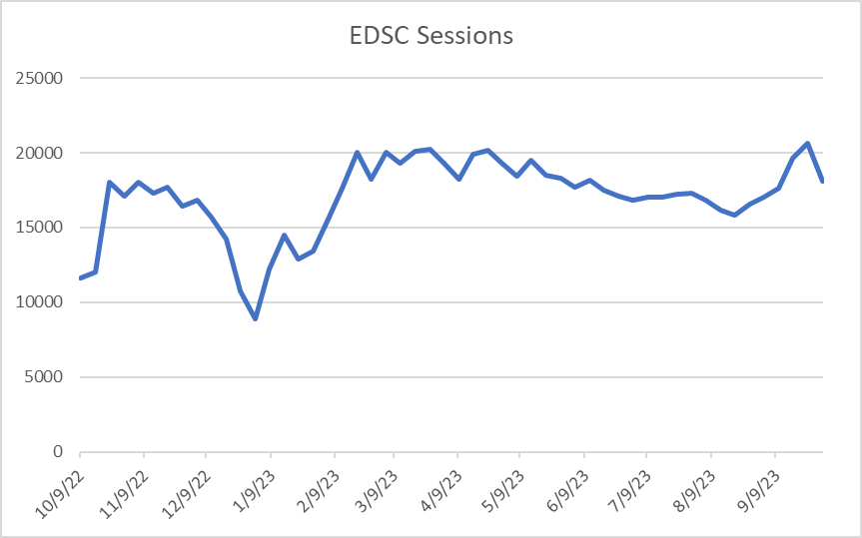
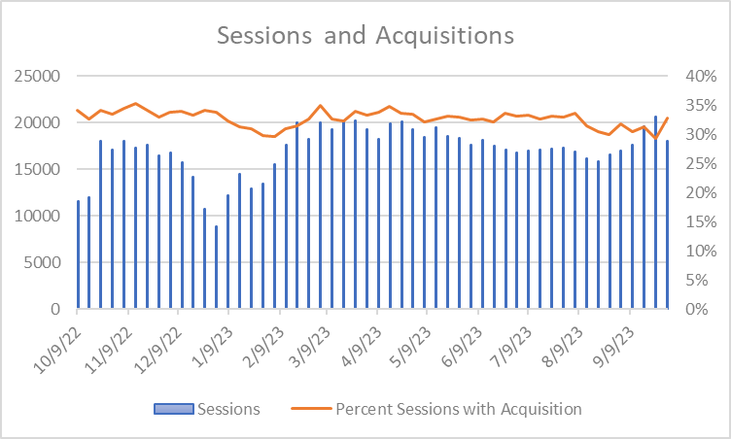

Note:
 | Data provided by the Louis Swentek (Lou_Swentek@raytheon.com) EED-3 staff by email on Nov 10, 2023

Web Trends
Web metrics data for EOSDIS became available as of FY 2007, Data for FY 2007 is complete for 7 DAACs and FY 2008 is complete for 8 DAACs. Since FY 2009, 11 DAACs provided webmetrics and from FY 2020 all 12 DAACs have provided the webmetrics data. For FY 2007 to FY 2018 NetInsight data was used, for FY 2019 both NetInsight and Google Analytics data was used, while as from FY 2020 only Google Analytics data was used as the Netinsight was decommissioned from Oct 1, 2019. These web metrics exclude Earthdata & LANCE and are for sessions (visits) of one minute or more. Repeat visitors are counted as 2 or more visits since web activity measurements began for that DAAC. Earthdata webmetrics trend is given separately at the bottom of this page.

 | Google Analytics - FY2023
DAAC | # Sessions | # Views | # Visitors | # Hosts (Not Available in GA) | FY23 Repeat Visitors (2 or more visits)
ASDC | 98,360 | 252,960 | 110,977 |  | 19,845
ASF DAAC | 587,724 | 819,719 | 297,138 |  | 138,873
EOSDIS Web Activity Trend Since FY 2007 (Excludes Earthdata and LANCE)
 | Sessions (Visits) | Visitors | Repeat Visitors
FY2007 | 707,365 | 443,079 | 77,731
FY2008 | 827,714 | 523,416 | 91,801
FY2009 | 1,079,317 | 702,058 | 116,886
FY2010 | 1,108,858 | 718,944 | 205,378
FY2011 | 1,318,598 | 855,976 | 150,076
FY2012 | 1,973,920 | 1,248,743 | 339,566
FY2013 | 1,929,798 | 1,183,040 | 226,968
FY2014 | 1,688,096 | 1,080,386 | 308,670
FY2015 | 1,803,274 | 1,161,968 | 332,088
FY2016 | 1,880,224 | 1,239,024 | 352,623
FY2017 | 1,930,390 | 1,279,455 | 367,553
FY2018 | 1,845,372 | 1,262,735 | 355,888
FY2019 | 2,030,123 | 1,117,564 | 381,390
FY2020 | 1,936,823 | 1,227,210 | 520,478
FY2021 | 2,380,213 | 1,429,106 | 642,429
FY2022 | 2,278,930 | 1,359,909 | 623,710
FY2023 | 2,230,982 | 1,352,517 | 589,954
CDDIS | 113,328 | 1,590,534 | 72,585 |  | 37,066
GES DISC | 286,505 | 896,224 | 172,801 |  | 93,948
GHRC DAAC | 16,681 | 73,905 | 16,447 |  | 6,891
LP DAAC | 135,606 | 436,954 | 88,722 |  | 38,310
LAADS DAAC | 176,742 | 864,500 | 89,458 |  | 57,136
NSIDC DAAC | 466,207 | 1,321,536 | 244,236 |  | 85,214
OB.DAAC | 106,572 | 516,261 | 73,391 |  | 42,445
ORNL DAAC | 68,280 | 241,781 | 54,035 |  | 22,083
PO.DAAC | 44,883 | 149,671 | 33,480 |  | 18,453
SEDAC | 130,094 | 566,565 | 99,247 |  | 29,690
Total | 2,230,982 | 7,730,610 | 1,352,517 | 0 | 589,954

 | Google Analytics - FY2022
DAAC | # Sessions | # Views | # Visitors | # Hosts (Not Available in GA) | FY22 Repeat Visitors (2 or more visits)
ASDC | 33,263 | 420,619 | 45,234 |  | 19,326
ASF DAAC | 549,537 | 1,537,653 | 285,333 |  | 134,058
CDDIS | 100,671 | 2,271,751 | 60,258 |  | 33,381
GES DISC | 276,024 | 1,606,374 | 157,952 |  | 91,415
GHRC DAAC | 16,737 | 283,146 | 15,483 |  | 6,543
LP DAAC | 161,535 | 1,014,846 | 109,773 |  | 51,073
LAADS DAAC | 216,175 | 1,853,769 | 93,361 |  | 60,005
NSIDC DAAC | 539,695 | 2,291,514 | 303,277 |  | 100,370
OB.DAAC | 135,507 | 2,017,371 | 91,821 |  | 53,288
ORNL DAAC | 69,775 | 424,965 | 56,168 |  | 22,585
PO.DAAC | 45,760 | 282,108 | 36,555 |  | 19,551
SEDAC | 134,251 | 1,172,964 | 104,694 |  | 32,115
Total | 2,278,930 | 15,177,080 | 1,359,909 | 0 | 623,710

 | Google Analytics - FY2021
DAAC | # Sessions | # Views | # Visitors | # Hosts (Not Available in GA) | FY21 Repeat Visitors (2 or more visits)
ASDC | 33,355 | 340,844 | 46,561 |  | 21,942 |  | Google Analytics
ASF DAAC | 480,179 | 1,230,269 | 264,171 |  | 124,568 | DAAC | # Visits | # Views | # Visitors | # Hosts | FY19 Repeat Visitors (2 or more visits)
CDDIS | 97,015 | 1,921,102 | 57,182 |  | 30,378 | ASDC | 47,666 | 556,331 | 45,365 |  | 18,319
GES DISC | 274,957 | 1,488,512 | 149,257 |  | 91,942 | ASF DAAC | 227,634 | 831,919 | 134,217 |  | 75,860
GHRC DAAC | 16,453 | 205,823 | 15,085 |  | 6,818 | CDDIS | 27,289 | 157,841 | 20,405 |  | 8,441
LP DAAC | 184,383 | 1,298,463 | 124,215 |  | 59,916 | GES DISC | 135,008 | 1,030,437 | 85,292 |  | 49,611
LAADS DAAC | 233,162 | 1,894,087 | 98,112 |  | 61,680 | GHRC DAAC | 8,500 | 77,387 | 7,398 |  | 3,349
NSIDC DAAC | 669,496 | 2,872,296 | 377,853 |  | 119,429 | LP DAAC | 217,017 | 1,410,082 | 152,381 |  | 65,333
OB.DAAC | 133,631 | 2,113,562 | 87,690 |  | 51,044 | LAADS DAAC | 122,447 | 880,907 | 62,430 |  | 39,186
ORNL DAAC | 68,344 | 460,733 | 54,403 |  | 21,932 | NSIDC DAAC | 927,701 | 4,242,224 | 529,431 |  | 151,554
PO.DAAC | 52,948 | 359,113 | 48,161 |  | 20,214 | ORNL DAAC | 61,588 | 689,021 | 45,672 |  | 18,521
SEDAC | 136,290 | 1,208,305 | 106,416 |  | 32,566 | PO.DAAC | 54,854 | 358,241 | 38,963 |  | 18,340
Total | 2,380,213 | 15,393,109 | 1,429,106 | 0 | 642,429 | SEDAC | 116,716 | 1,207,528 | 92,528 |  | 25,350
 | Google Analytics - FY2020 |  |  |  |  | Total | 1,946,420 | 11,441,918 | 1,214,082 | 0 | 473,864
DAAC | # Sessions | # Views | # Visitors | # Hosts (Not Available in GA) | FY20 Repeat Visitors (2 or more visits)
Earthdata Web Activity Trend Since FY 2012
 | Sessions (Visits) | Visitors | Repeat Visitors
FY2012 | 88,610 | 63,039 | 14,268
FY2013 | 196,014 | 133,861 | 31,994
FY2014 | 214,326 | 139,051 | 37,186
FY2015 | 289,385 | 204,556 | 53,136
FY2016 | 471,312 | 319,841 | 85,081
FY2017 | 688,780 | 477,262 | 129,031
FY2018 | 915,686 | 625,322 | 174,623
FY2019 | 1,131,376 | 796,919 | 208,873
FY2020 | 365,555 | 436,402 | 158,304
FY2021 | 387,500 | 489,182 | 188,882
FY2022 | 327,682 | 435,881 | 208,193
FY2023 | 384,255 | 482,929 | 189,130
ASDC | 37,605 | 410,065 | 45,480 |  | 20,551
ASF DAAC | 111,889 | 447,092 | 102,102 |  | 47,656
CDDIS | 31,492 | 245,674 | 24,594 |  | 10,796
GES DISC | 248,102 | 1,270,592 | 140,161 |  | 83,369
GHRC DAAC | 14,333 | 194,039 | 14,343 |  | 6,106
LP DAAC | 175,741 | 1,274,426 | 122,443 |  | 58,487
LAADS DAAC | 179,846 | 1,336,270 | 82,313 |  | 52,349
NSIDC DAAC | 767,413 | 3,326,216 | 426,051 |  | 131,311
OB.DAAC | 108,762 | 1,933,043 | 64,501 |  | 35,380
ORNL DAAC | 69,470 | 614,180 | 58,128 |  | 21,821
PO.DAAC | 59,354 | 397,802 | 39,977 |  | 20,141
SEDAC | 132,816 | 1,290,401 | 107,117 |  | 32,511
Total | 1,936,823 | 12,739,800 | 1,227,210 | 0 | 520,478

 | NetInsight
DAAC | # Visits | # Views | # Visitors | # Hosts | FY19 Repeat Visitors (2 or more visits)
ASDC | 65,954 | 881,990 | 51,239 | 43,553 | 9,854
ASF DAAC | 197,225 | 1,074,442 | 130,464 | 93,596 | 38,992
CDDIS | 26,813 | 288,632 | 21,205 | 16,268 | 5,643
GES DISC | 160,944 | 2,185,900 | 104,518 | 75,767 | 36,650
GHRC DAAC | 18,921 | 382,124 | 13,275 | 11,240 | 3,066
LP DAAC | 213,537 | 2,033,553 | 158,733 | 121,372 | 42,131
LAADS DAAC | 145,511 | 1,377,240 | 107,736 | 92,068 | 22,123
NSIDC DAAC | 986,483 | 4,642,807 | 668,488 | 532,703 | 188,634
ORNL DAAC | 50,038 | 583,216 | 37,411 | 30,258 | 8,653
PO.DAAC | 47,740 | 1,204,490 | 32,997 | 25,615 | 8,646
SEDAC | 116,957 | 1,895,297 | 89,647 | 75,124 | 16,998
Total | 2,030,123 | 16,549,691 | 1,415,713 | 1,117,564 | 381,390

DAAC | # Visits | # Views | # Visitors | # Hosts | FY18 Repeat Visitors (2 or more visits)
ASDC | 67,042 | 818,083 | 49,138 | 40,958 | 11,166
ASF DAAC | 161,646 | 551,398 | 106,949 | 78,074 | 32,633
CDDIS | 25,193 | 276,196 | 19,688 | 15,211 | 5,172
GES DISC | 150,117 | 2,584,212 | 93,299 | 66,016 | 34,595
GHRC DAAC | 24,485 | 529,075 | 16,568 | 13,860 | 3,961
LP DAAC | 209,718 | 1,158,426 | 153,371 | 117,544 | 42,450
LAADS DAAC | 217,721 | 3,095,213 | 136,357 | 111,573 | 35,985
NSIDC DAAC | 798,789 | 3,813,884 | 541,879 | 429,696 | 157,959
ORNL DAAC | 46,775 | 637,712 | 34,391 | 28,016 | 8,654
PO.DAAC | 40,086 | 1,354,393 | 27,758 | 21,947 | 7,150
SEDAC | 103,800 | 1,788,088 | 83,337 | 70,073 | 16,163
Total | 1,845,372 | 16,606,680 | 1,262,735 | 992,968 | 355,888

DAAC | # Visits | # Views | # Visitors | # Hosts | FY17 Repeat Visitors (2 or more visits)
ASDC | 58,238 | 551,711 | 40,974 | 33,551 | 21,588
ASF DAAC | 108,364 | 388,556 | 70,696 | 52,082 | 3,077
CDDIS | 14,866 | 96,028 | 11,549 | 8,947 | 40,705
GES DISC | 190,206 | 1,902,393 | 118,779 | 86,430 | 3,672
GHRC DAAC | 23,160 | 392,057 | 15,823 | 13,366 | 10,190
LP DAAC | 195,153 | 1,059,513 | 141,014 | 107,662 | 39,912
LAADS DAAC | 301,594 | 3,294,341 | 169,008 | 134,780 | 49,816
NSIDC DAAC | 857,579 | 4,071,275 | 572,807 | 457,958 | 168,691
ORNL DAAC | 46,518 | 454,588 | 33,545 | 27,150 | 8,504
PO.DAAC | 39,732 | 343,100 | 27,157 | 21,315 | 7,020
SEDAC | 94,980 | 923,167 | 78,103 | 65,763 | 14,378
Total | 1,930,390 | 13,476,729 | 1,279,455 | 1,009,004 | 367,553

DAAC | # Visits | # Views | # Visitors | # Hosts | FY16 Repeat Visitors (2 or more visits)
ASDC | 55,046 | 542,003 | 38,903 | 31,738 | 9,368
ASF DAAC | 65,720 | 295,582 | 41,371 | 29,243 | 12,886
CDDIS | 10,869 | 64,554 | 8,640 | 6,808 | 2,133
GES DISC | 206,088 | 2,180,301 | 128,457 | 90,916 | 42,712
GHRC DAAC | 17,347 | 140,576 | 12,048 | 10,231 | 2,560
LP DAAC | 189,171 | 1,096,949 | 143,345 | 109,840 | 36,904
LAADS DAAC | 412,847 | 4,971,411 | 220,035 | 166,812 | 68,491
NSIDC DAAC | 766,328 | 3,772,779 | 524,620 | 406,686 | 151,727
ORNL DAAC | 31,846 | 275,875 | 23,530 | 19,520 | 5,527
PO.DAAC | 36,216 | 303,768 | 25,158 | 19,404 | 6,473
...

